Hoja1
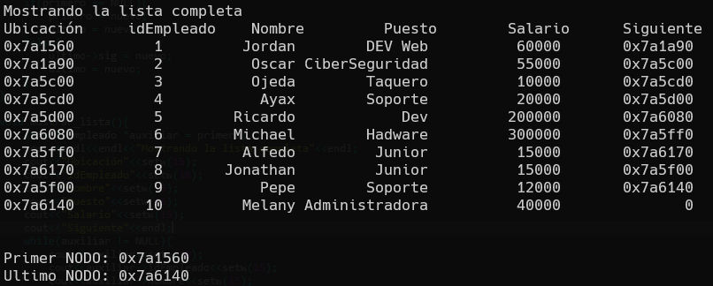
 |  | NODO |  |  | Expresión lógica | V |  | F
*primero | *ultimo | Ubicación | Info | *sig | primero == NULL | *primero | *ultimo | *ultimo->sig | *ultimo
NULL | NULL | 0x7a1560 | 😊 | NULL | V | 0x7a1560 | 0x7a1560
0x7a1560 | 0x7a1560 | 0x7a1a90 | 😊 | NULL | F |  |  | 0x7a1a90 | 0x7a1a90
0x7a1560 | 0x7a1a90 | 0x7a5c00 | 😊 | NULL | F |  |  | 0x7a5c00 | 0x7a5c00
0x7a1560 | 0x7a5c00 | 0x7a5cd0 | 😊 | NULL | F |  |  | 0x7a5cd0 | 0x7a5cd0
0x7a1560 | 0x7a5cd0 | 0x7a5d00 | 😊 | NULL | F |  |  | 0x7a5d00 | 0x7a5d00
0x7a1560 | 0x7a5d00 | 0x7a6080 | 😊 | NULL | F |  |  | 0x7a6080 | 0x7a6080
0x7a1560 | 0x7a6080 | 0x7a5ff0 | 😊 | NULL | F |  |  | 0x7a5ff0 | 0x7a5ff0
0x7a1560 | 0x7a5ff0 | 0x7a6170 | 😊 | NULL | F |  |  | 0x7a6170 | 0x7a6170
0x7a1560 | 0x7a6170 | 0x7a5f00 | 😊 | NULL | F |  |  | 0x7a5f00 | 0x7a5f00
0x7a1560 | 0x7a5f00 | 0x7a6140 | 😊 | NULL | F |  |  | 0x7a6140 | 0x7a6140
0x7a1560 | 0x7a6140

 |  | NODO |  |  | Expresión lógica | V |  | F
*primero | *ultimo | Ubicación | Info | *sig | primero == NULL | *primero | *ultimo | *nuevo->sig | *primero
NULL | NULL | 0x8b1a90 | 😊 | NULL | V | 0x8b1a90 | 0x8b1a90
0x8b1a90 | 0x8b1a90 | 0x8b6140 | 😊 | 0x8b1a90 | F |  |  | 0x8b6140 | 0x8b6140
0x8b6140 | 0x8b1a90 | 0x8b66f0 | 😊 | 0x8b6140 | F |  |  | 0x8b66f0 | 0x8b66f0
0x8b66f0 | 0x8b1a90 | 0x8b6780 | 😊 | 0x8b66f0 | F |  |  | 0x8b6780 | 0x8b6780
0x8b6780 | 0x8b1a90 | 0x8b6b90 | 😊 | 0x8b6780 | F |  |  | 0x8b6b90 | 0x8b6b90
0x8b6b90 | 0x8b1a90 | 0x8b6a70 | 😊 | 0x8b6b90 | F |  |  | 0x8b6a70 | 0x8b6a70
0x8b6a70 | 0x8b1a90 | 0x8b6bc0 | 😊 | 0x8b6a70 | F |  |  | 0x8b6bc0 | 0x8b6bc0
0x8b6bc0 | 0x8b1a90 | 0x8b69b0 | 😊 | 0x8b6bc0 | F |  |  | 0x8b69b0 | 0x8b69b0
0x8b69b0 | 0x8b1a90 | 0x8b6950 | 😊 | 0x8b69b0 | F |  |  | 0x8b6950 | 0x8b6950
0x8b6950 | 0x8b1a90 | 0x8b6aa0 | 😊 | 0x8b6950 | F |  |  | 0x8b6aa0 | 0x8b6aa0
0x8b6aa0 | 0x8b1a90

